Steel Girder design tool (ship
T - Girder Design Tool ----- Developed by Samson Mano <https://sites.google.com/site/samsoninfinite/>

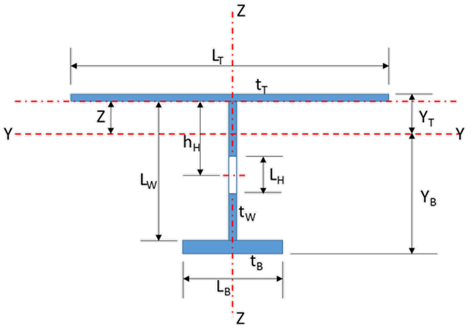
INPUT DATA
Width of effective flange： |  | lT | = | 250.00 | mm
Thk. of effective flange： |  | tT | = | 10.00 | mm
Height of web plate: |  | lW | = | 1000.00 | mm
Thk. of web plate: |  | tW | = | 10.00 | mm
Dist. of hole center： |  | hH | = | 500.00 | mm
Depth of hole： |  | lH | = | 900.00 | mm
Width of face plate: |  | lB | = | 200.00 | mm
Thk. of face plate： |  | tB | = | 10.00 | mm
Maximum Bending moment : |  | Mmax | = | 325740000.00 | N-mm
Maximum Shear Force : |  | FSFmax | = | 101636.00 | N
Yield strength of steel : |  | σ | = | 355.00 | N/mm2
Density of steel : |  | ρ | = | 7850.00 | Kg/m3

CALCULATION
1) | Total Area: |  | A = lT * tT +（ lW * tW - lH * tW ）+ lB * tB |  |  |  | = | 5500.0 | mm2
2) | Distance from Neutral Axis to top:
z = [ lW* tW* ( tT+ lW ) /2 - lH* tW* ( tT /2+ hH ) + lB* tB* ( tT /2+ lW+ tB /2 )] /A |  |  |  |  |  |  | = | 459.091 | mm
3) | Moment of inertia for "Y" axis:
Iyy = lT * tT * z2 + tW * lW3 /12 + lW * tW * [( tT + lW ) /2 - z ]2- tW * lH3 /12- lH * tW * ( tT /2 + hH - z )2
 |  |  | + lB * tB * ( tT / 2 + lW + tB / 2 - z )2 |  |  |  | = | 1.3619E+09 | mm4

4) | Moment of inertia for "Z" axis: |  | Izz = tT* lT3 /12+ ( lW- lH )* tW3 /12+ tB* lB3 /12 |  |  |  | = | 1.9696E+07 | mm4
5) | Moment of inertia for "X" axis: |  | J = lT * tT3 / 3 + ( lW - lH ) * tW3 / 3 + lB * tB3 / 3 |  |  |  | = | 1.8333E+05 | mm4
6) | Height from Top to neutral axis: |  |  |  | yT = z + tT / 2 |  | = | 464.091 | mm
 | Height from Bottom to neutral axis: |  |  |  | yB = tT / 2 + tB + lW - z |  | = | 555.909 | mm
 | Section Modulus for "Y" axis: |  |  |  | SMB = Iyy / Max ( yB , yT ) |  | = | 2.450E+06 | mm3
7) | Height from Side to Center Line: |  |  |  | ZS = Max ( lT , lB ) / 2 |  | = | 125.000 | mm
 | Section Modulus for "Z" axis: |  |  |  | SMZ = Izz / ZS |  | = | 1.6E+05 | mm3
8) | Z axis Sheared area: |  |  |  | AZZ = tW * ( lW + tT + tB - lH ) |  | = | 1200.0 | mm2
9) | Y axis Sheared area: |  |  |  | AYY = lT * tT + lB * tB |  | = | 4500.0 | mm2
10) | Self Weight: |  |  |  | Ws = A * ρ |  |  | 43.2 | Kg/m

OUTPUT DATA
Shearing Stress Check:
Max. Shearing Force for "Z" axis: |  |  | FSF = (from input) |  |  |  | = | 101636.00 | N
Shearing Stress for "Z" axis: |  |  |  |  |  | tz = FSF / A zz | = | 84.6967 | N / mm2 < 0.4 * [σ] = | 142.0 | N / mm2
Unity Check: |  |  | UC = tz / 0.4 * [σ] |  |  |  | = | 0.596 | Okay!
Bending Stress Check:
Max. Bending Moment for "Z" axis: |  |  | M MAX = (from input) |  |  |  | = | 325740000.00 | N-mm
Bending Stress for "Z" axis: |  |  |  |  | σb = M MAX / Wy |  | = | 1.3297E+02 | N / mm2 < 0.6 * [σ] = | 213.0 | N / mm2
Unity Check: |  |  | UC = σb / 0.6 * [σ] |  |  |  | = | 0.624 | Okay!
Combined Stress Check:
Combined Stress for "Z" axis: |  |  |  |  | σc = (σ2b + 3t2)1/2 |  | = | 197.9920 | N / mm2 < 0.6 * [σ] = | 213.0 | N / mm2
Unity Check: |  |  | UC = σc / 0.6 * [σ] |  |  |  | = | 0.930 | Okay!

